상품 목록
상품 목록 페이지

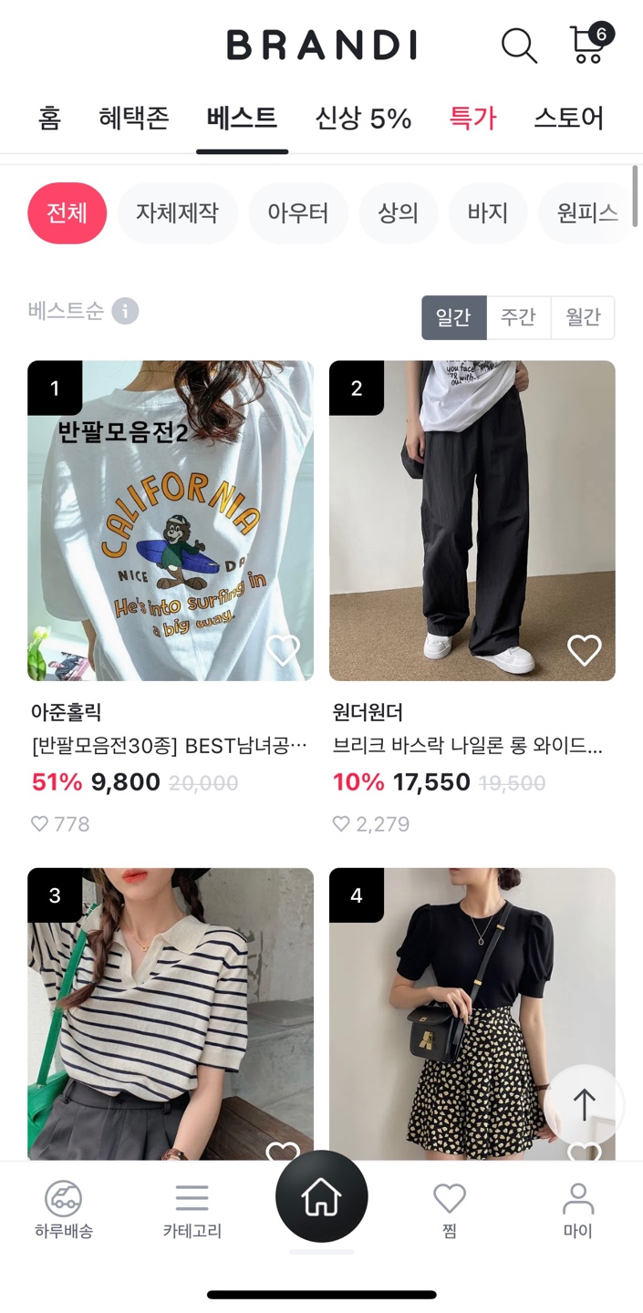

 | imgUrl | shopName | proName | discountedRate | originalPrice | discountedPrice | likeCnt

 | SELECT productDetailedimg.imgUrl, shopInfo.shopName, productInfo.proName, productInfo.discountedRate, productInfo.originalPrice, productInfo.originalPrice * (1 - (discountedRate * 0.01)) AS discountedPrice, Ilike.likeCnt FROM productInfo JOIN productDetailedimg ON productInfo.idx = productDetailedimg.proId JOIN shopInfo ON productInfo.shopId = shopInfo.idx LEFT OUTER JOIN (select proId, count(*) AS likeCnt FROM Ilike WHERE status = 'Y' GROUP BY proId) Ilike ON productInfo.idx = Ilike.proId

장바구니
장바구니 페이지

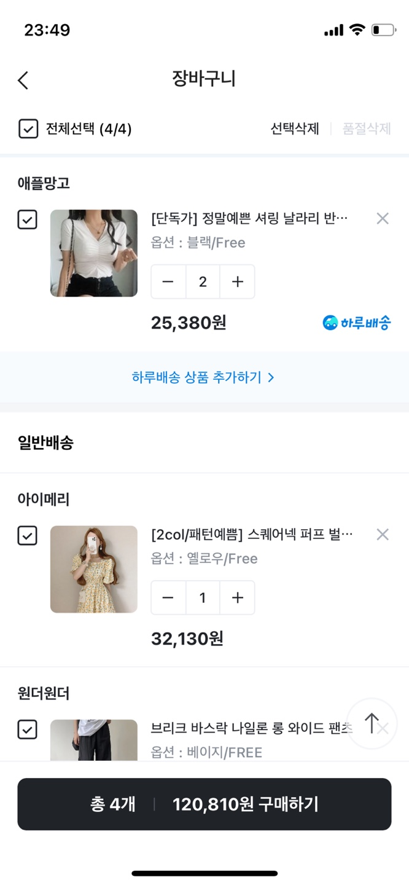

 | shopName | proName | optionName | proCount | deliveryType | discountedPrice

 | SELECT shopInfo.shopName, productInfo.ProName, productOption.optionName, shoppingBasket.proCount, productOption.optionPrice, productInfo.deliveryType, productInfo.originalPrice * (1 - (discountedRate * 0.01)) AS discountedPrice FROM productInfo JOIN shopInfo ON productInfo.shopId = shopInfo.idx JOIN productOption ON productOption.optionId = productInfo.idx JOIN shoppingBasket ON shoppingBasket.proId = productInfo.idx;

 | total

 | SELECT SUM(proCount * (productInfo.originalPrice + productOption.optionPrice) * (1 - (discountedRate * 0.01))) AS total FROM productInfo JOIN shoppingBasket ON shoppingBasket.proId = productInfo.idx JOIN productOption ON productOption.optionId = productInfo.idx;

상품 상세
상품 상세 페이지

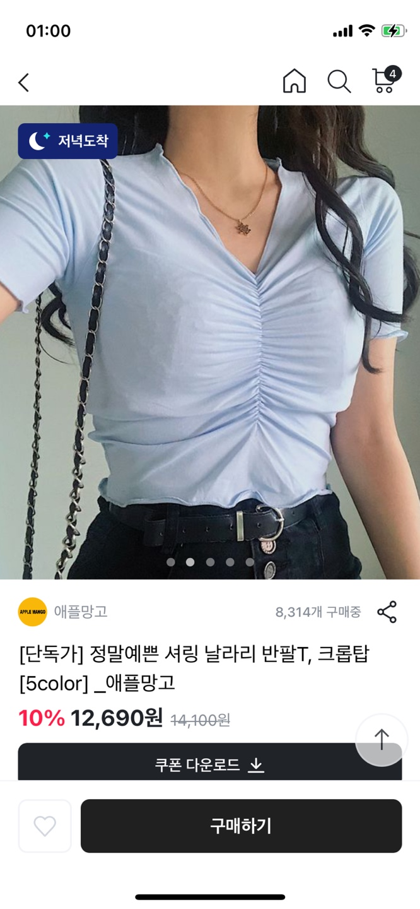

 | shopName | proName | discountedRate | originalPrice | discountedPrice | imgUrl
 | purchaseCnt | detailedImg | detailedInfo

 | SELECT shopInfo.shopName, productInfo.proName, productInfo.discountedRate, productInfo.originalPrice, productInfo.originalPrice * (1 - (discountedRate * 0.01)) AS discountedPrice, productDetailedimg.imgUrl, productDetailedinfo.detailedImg, productDetailedinfo.detailedInfo, orderPro.purchaseCnt FROM productInfo JOIN shopInfo ON productInfo.shopId = shopInfo.idx JOIN productDetailedimg ON productInfo.idx = productDetailedimg.proId JOIN productDetailedinfo ON productDetailedinfo.proId = productInfo.idx LEFT OUTER JOIN (select proId, count(*) AS purchaseCnt FROM orderPro where status = 'G' GROUP BY proId) orderPro ON orderPro.proId = productInfo.idx;

리뷰
리뷰 페이지

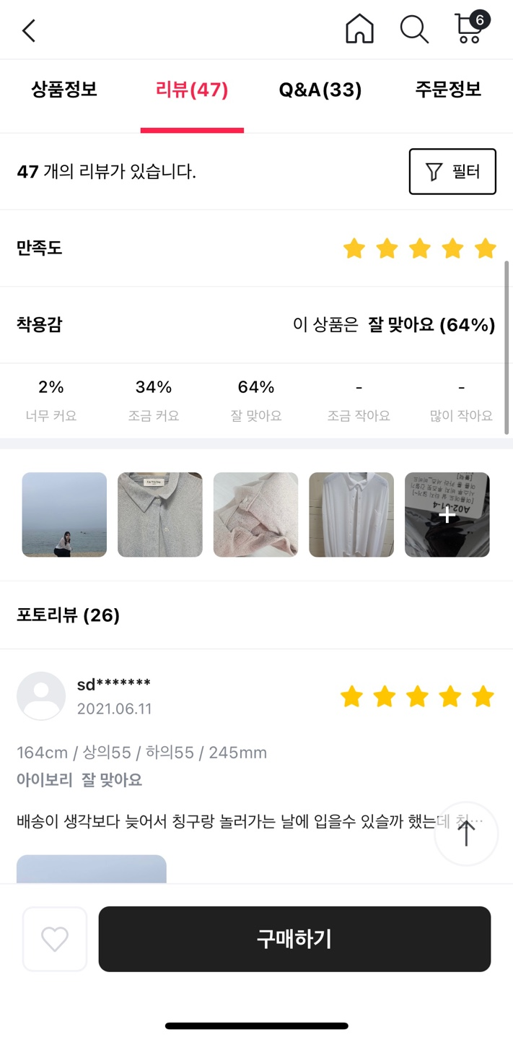

 | userId | profileUrl | height | top | bottom | shoes | createAt
 | wearingSensation | textReview | imgUrl | rating | reviewCnt

 | SELECT userInfo.userId, userInfo.profileUrl, userInfo.height, reviews.top, reviews.bottom, reviews.shoes, reviews.createAt, reviews.wearingSensation, reviews.textReview, reviews.imgUrl, reviews.rating, reviewsa.reviewCnt FROM reviews JOIN userInfo ON userInfo.idx = reviews.userNum JOIN productInfo ON productInfo.idx = reviews.proId LEFT OUTER JOIN (SELECT proId, count(*) AS reviewCnt FROM reviews GROUP BY proId) reviewsa ON reviewsa.proId = productInfo.idx;

 | photoreviewCnt

 | SELECT count(imgUrl) AS photoreviewCnt FROM reviews;

QnA
QNA 페이지

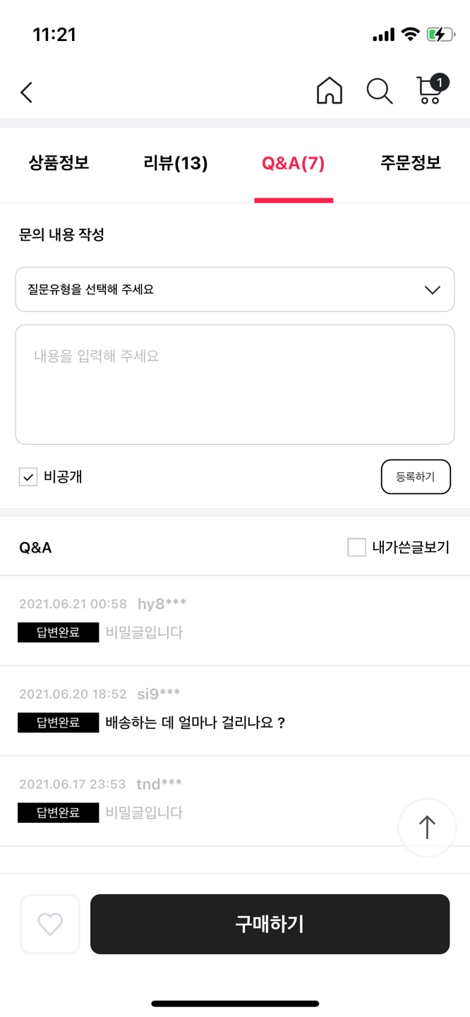

 | QnAtype | contents | createAt | userId | reviewStatus | Acontents | qnaCnt

 | SELECT questions.QnAtype, questions.contents, questions.createAt, userInfo.userId, answers.status AS reviewStatus, answers.Acontents FROM questions JOIN answers ON answers.QnAId = questions.idx JOIN userInfo ON questions.userNum = userInfo.idx

찜
찜 페이지

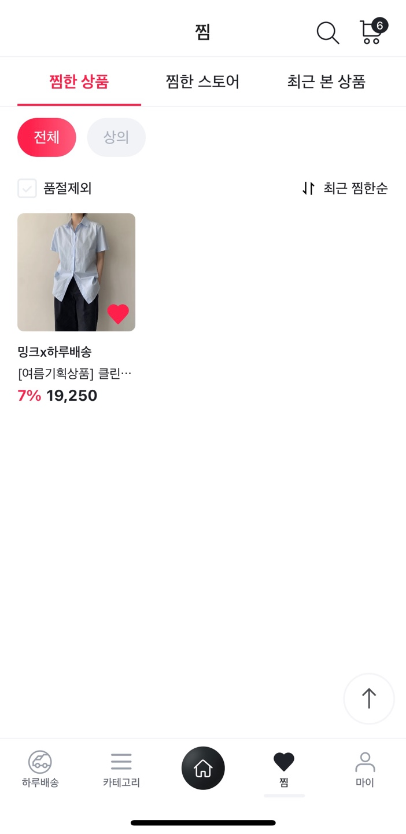

 | shopName | proName | originalPrice | discountedRate | discountedPrice | status

 | SELECT shopInfo.shopName, productInfo.proName, productInfo.discountedRate, productInfo.originalPrice, productInfo.originalPrice * (1 - (discountedRate * 0.01)) AS discountedPrice, Ilike.status FROM productInfo JOIN Ilike ON Ilike.proId = productInfo.idx JOIN shopInfo ON productInfo.shopId = shopInfo.idx WHERE Ilike.status = 'Y';

( 사진은 예시)

